Weights
CODE | Description | Select Code from DROPDOWN below |  |  | 49 |  |  |  |  |  |  |  |  |  |  |  | Unit | TYPE | APPLICATION | CAPACITY | CABINET | CNTLS | VOLTAGE | VINTAGE | AF ORIENT | SUPPLY | S. OPTS | S. MOTOR | S MTR. TYPE | 4/6 ROW | COMP | Ref. P.Sw | RFG. CNTLS | HEAT TYPE | ELEC. HEAT | GAS FURN | HTR CNTL | GAS SAFETY | ECW | ECW OPTS | VENTILN | EXHAUST BWLR | E. BWLR OPTS | E. MOTOR | E. MTR TYPE | CORROSN | MAINTN OPTS | POWER OPTS | CNTL OPTS | SAFETY OPTS | FLTR | FINAL FLTR
1-2 | UNIT | PR |  |  |  |  |  |  |  |  |  |  |  |  | PR |  | 1-2 | 3 | 4 | 5-6-7 | 8-9 | 10 | 11 | 12 | 13 | 14-15 | 16 | 17 | 18 | 19 | 20 | 21 | 22-23 | 24 | 25 | 26-27 | 28 | 29 | 30 | 31 | 32 | 33-34 | 35 | 36 | 37 | 38-39 | 40-41 | 42-43 | 44-45 | 46-47 | 48 | 49
3 | TYPE | O |  |  |  |  |  |  |  |  |  |  |  |  | O |  | PR | O | A | 36 | A0 | * | 2 | A | * | AA= 10” DD, Airfoil | * | A = 1HP | * | A = 4-Row Evap. | * | * | 0 | 0 | 0 | 00 | * | * | 0 | * | 0 | 00 | * | 0 | * | * | * | * | * | * | * | 0
4 | APPLICATION | W |  |  |  |  |  |  |  |  |  |  |  |  | W |  |  | R | W | 48 | B0 |  | 3 |  |  | AB= 11” DD, Airfoil |  | B = 1.5HP |  | B = 6-Row Evap |  |  | AL = RHX1 | A = Electric | A = 5kW | A1 = 75MBH |  |  | A = ECW244 |  | A = OA Damper ONLY | AA= 10” DD, Airfoil |  | A = 1HP |  |  |  |  |  |  |  | A
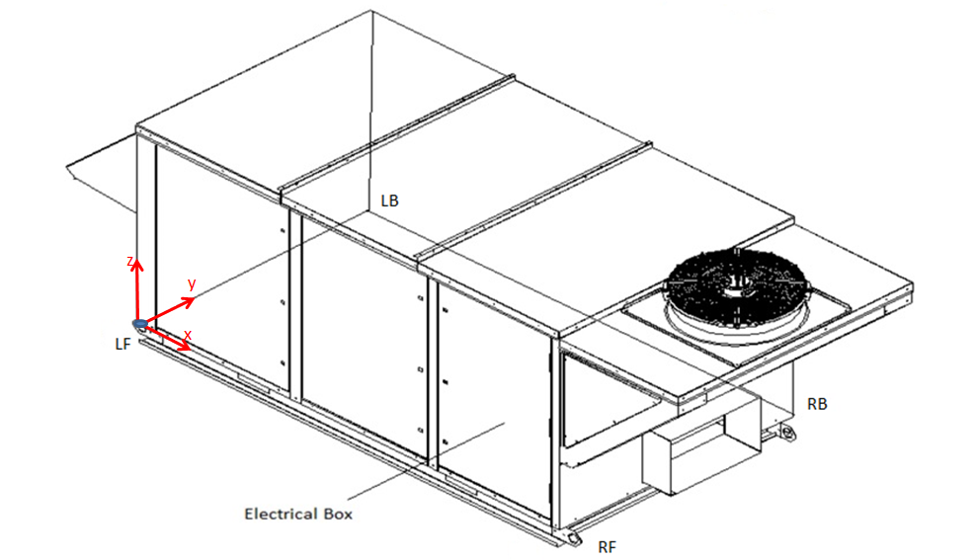
5-6-7 | CAPACITY | 720 | Select appropriate Cabinet and fans |  |  |  |  |  |  |  |  |  |  |  | 720 |  |  | M | H | 60 | C0 |  | 4 |  |  | AC= 12” DD, Airfoil |  | C = 2HP |  | C = 4-Row CWC |  |  | AM = RHx2 | B = N. Gas x1 | B = 10kW | B1 = 100MBH |  |  | B = ECW324 |  | B = OA Damper ONLY | AB= 11” DD, Airfoil |  | B = 1.5HP |  |  |  |  |  |  |  | B
8-9 | CABINET | J0 | Change to '0' fans |  |  |  |  |  |  |  |  |  |  |  | J0 |  |  |  | F | 72 | D0 |  | 5 |  |  | AD= 14” DD, Airfoil |  | D = 3HP |  | D = 6-Row CWC |  |  | AN = SCx1 | C = N. Gas x 2 | C = 15kW | C1 = 150MBH |  |  | C = ECW364 |  | C = OA Damper ONLY | AC= 12” DD, Airfoil |  | C = 2HP |  |  |  |  |  |  |  | C
10 | CNTLS | * |  |  |  |  |  |  |  |  |  |  |  |  | * |  |  |  |  | 84 | E0 |  | 6 |  |  | AE= 16” DD, Airfoil |  | E = 5HP |  | X |  |  | BC = RHx1 | D = P. Gas x1 | D = 20kW | D1 = 200MBH |  |  | D = ECW424 |  | D = OA & RA Dampers | AD= 14” DD, Airfoil |  | D = 3HP |  |  |  |  |  |  |  | D
11 | VOLTAGE | 2 |  |  |  |  |  |  |  |  |  |  |  |  | 2 |  |  |  |  | 96 | A1 |  | 7 |  |  | AF= 18” DD, Airfoil |  | F = 7.5HP |  |  |  |  | BD = SCx1 | E = P. Gas x2 | E = 25kW | E1 = 250MBH |  |  | E = ECW484 |  | E = OA & RA Dampers | AE= 16” DD, Airfoil |  | E = 5HP |  |  |  |  |  |  |  | E
12 | VINTAGE | A |  |  |  |  |  |  |  |  |  |  |  |  | A |  |  |  |  | 120 | A2 |  | X |  |  | AG= 20” DD, Airfoil |  | G = 10HP |  |  |  |  | BG = RHx1 | F = HWC | F = 30kW | F1 = 300MBH |  |  | F = ECW486 |  | F = OA & RA Dampers | AF= 18” DD, Airfoil |  | F = 7.5HP |  |  |  |  |  |  |  | F
13 | SUP. ORIENTATION | * |  |  |  |  |  |  |  |  |  |  |  |  | * |  |  |  |  | 150 | B1 |  |  |  |  | AH= 22” DD, Airfoil |  | H = 15HP |  |  |  |  | BH = SCx1 | X | G = 35kW | G1 = 350MBH |  |  | G = ECW544 |  | G = OA & RA Dampers | AG= 20” DD, Airfoil |  | G = 10HP |  |  |  |  |  |  |  | G
14-15 | SUPPLY | AJ= 25” DD, Airfoil | Select Motor HP (Code 17) |  |  |  |  |  |  |  |  |  |  |  | AJ | PRRF300C4**A*BG*F*D*AMF000**0*G00*0************0 |  |  |  | 180 | B2 |  |  |  |  | AJ= 25” DD, Airfoil |  | J = 20HP |  |  |  |  | CC = RHx2 |  | H = 40kW | H1 = 400MBH |  |  | H = ECW604 |  | H = OA & RA Dampers | AH= 22” DD, Airfoil |  | H = 15HP |  |  |  |  |  |  |  | H
16 | S. OPTS | * |  |  |  |  |  |  |  |  |  |  |  |  | * |  |  |  |  | 210 | B3 |  |  |  |  | AK= 28” DD, Airfoil |  | K = 25HP |  |  |  |  | CD = SCx1 |  | J = 45kW | J1 = 500MBH |  |  | J = ECW606 |  | X | AJ= 25” DD, Airfoil |  | J = 20HP |  |  |  |  |  |  |  | X
17 | S. MOTOR | H = 15HP | Select Motor |  |  |  |  |  |  |  |  |  |  |  | H | 49 |  |  |  | 240 | B4 |  |  |  |  | BA= 10” DD, BI |  | L = 30HP |  |  |  |  | CH = RHx2 |  | K = 50kW | K1 = 600MBH |  |  | K = ECW664 |  |  | AK= 28” DD, Airfoil |  | K = 25HP
18 | S MTR. TYPE | * |  |  |  |  |  |  |  |  |  |  |  |  | * |  |  |  |  | 300 | C2 |  |  |  |  | BB= 11” DD, BI |  | M = ECM |  |  |  |  | CJ = SCx1 |  | L = 55kW | A2 = 2x100MBH |  |  | L = ECW666 |  |  | BA= 10” DD, BI |  | L = 30HP
19 | 4/6 ROW | B = 6-Row Evap | Select Evaporator |  |  |  |  |  |  |  |  |  |  |  | B |  |  |  |  | 360 | C3 |  |  |  |  | BC= 12” DD, BI |  | X |  |  |  |  | DA = SCx1 |  | M = 60kW | B2 = 2x200MBH |  |  | M = ECW706 |  |  | BB= 11” DD, BI |  | M = ECM
20 | COMP | * |  |  |  |  |  |  |  |  |  |  |  |  | * |  |  |  |  | 420 | C4 |  |  |  |  | BD= 14” DD, BI |  |  |  |  |  |  | DB = SCx1 |  | N = 70kW | C2 = 2x250MBH |  |  | N = ECW724 |  |  | BC= 12” DD, BI |  | X
21 | Ref. Pr. Sw | * | Dehumidication option available |  |  |  |  |  |  |  |  |  |  |  | * | PROW720J0*2A*AJ*H*B**DCAM00**0*D00*0************0 |  |  |  | 480 | C6 |  |  |  |  | BE= 16” DD, BI |  |  |  |  |  |  | DC = RHSC |  | P = 80kW | D2 = 2x300MBH |  |  | P = ECW726 |  |  | BD= 14” DD, BI
22-23 | RFG. CNTLS | DC = RHSC | Select Gas or Elec.HeatCap. |  |  |  |  |  |  |  |  |  |  |  | DC |  |  |  |  | 540 | D4 |  |  |  |  | BF= 18” DD, BI |  |  |  |  |  |  | DD = SCx1 |  | Q = 90kW | E2 = 2x400MBH |  |  | Q = ECW784 |  |  | BE= 16” DD, BI
24 | HEAT TYPE | A = Electric | Code 23 = Elec. Heat |  |  |  |  |  |  |  |  |  |  |  | A |  |  |  |  | 600 | D6 |  |  |  |  | BG= 20” DD, BI |  |  |  |  |  |  | DE = SCx1 |  | R = 100kW | F2 = 2x350MBH |  |  | R = ECW786 |  |  | BF= 18” DD, BI
25 | ELEC. HEAT | M = 60kW |  |  |  |  |  |  |  |  |  |  |  |  | M |  |  |  |  | 660 | D8 |  |  |  |  | BH= 22” DD, BI |  |  |  |  |  |  | DF = SCx1 |  | S = 110kW | G2 = 2x500MBH |  |  | S = ECW7812 |  |  | BG= 20” DD, BI
26-27 | GAS FURN | 00 |  |  |  |  |  |  |  |  |  |  |  |  | 0 |  |  |  |  | 720 | E6 |  |  |  |  | BJ= 25” DD, BI |  |  |  |  |  |  | DG = SCx1 |  | T = 120kW | H2 = 2x600MBH |  |  | T = ECW844 |  |  | BH= 22” DD, BI
28 | HTR CNTL | * |  |  |  |  |  |  |  |  |  |  |  |  | * |  |  |  |  | 780 | E8 |  |  |  |  | BK= 28” DD, BI |  |  |  |  |  |  | DH = RHSC |  | U = 130kW | A4 = 4x200MBH |  |  | U = ECW846 |  |  | BJ= 25” DD, BI
29 | GAS SAFETY | * |  |  |  |  |  |  |  |  |  |  |  |  | * |  |  |  |  | 840 | F1 |  |  |  |  | CA= 280mm Single ECM (CIW.087.5FA) |  |  |  |  |  |  | DJ = SCx1 |  | V = 140kW | B4 = 4x250MBH |  |  | V = ECW8412 |  |  | BK= 28” DD, BI
30 | ECW | 0 |  |  |  |  |  |  |  |  |  |  |  |  | 0 |  |  |  |  |  | F2 |  |  |  |  | CB= 315mm Single ECM (CIW.098.5FA) |  |  |  |  |  |  | DK = SCx1 |  | W = 150kW | C4 = 4x300MBH |  |  | X = Special |  |  | CA= 280mm Single ECM (CIW.087.5FA)
31 | ECW OPTS | * |  |  | * Unit Shown: PR A1 Cabinet |  |  |  |  |  |  |  |  |  | * |  |  |  |  |  | F3 |  |  |  |  | CC= 315mm Single ECM (CIW.080.5FA) |  |  |  |  |  |  | XX |  | X | D4 = 4x350MBH |  |  |  |  |  | CB= 315mm Single ECM (CIW.098.5FA)
32 | VENTILN | D = OA & RA Dampers |  |  |  |  |  |  |  |  |  |  |  |  | D |  |  |  |  |  | F4 |  |  |  |  | CD= 355mm Single ECM (CIW.110.5HF) |  |  |  |  |  |  |  |  |  | E4 = 4x400MBH |  |  |  |  |  | CC= 315mm Single ECM (CIW.080.5FA)
33-34 | EXHAUST BWLR | 00 |  |  |  |  |  |  |  |  |  |  |  |  | 0 |  |  |  |  |  | G2 |  |  |  |  | CE= 355mm Single ECM (CIW.110.6FF) |  |  |  |  |  |  |  |  |  | XX = Special |  |  |  |  |  | CD= 355mm Single ECM (CIW.110.5HF)
35 | E. BWLR OPTS | * |  |  | Quote/Job# |  |  |  |  |  |  |  |  |  | * |  |  |  |  |  | G3 |  |  |  |  | CF= 355mm Single ECM (CIB.112.5HF) |  |  |  |  |  |  |  |  |  |  |  |  |  |  |  | CE= 355mm Single ECM (CIW.110.6FF)
36 | E. MOTOR | 0 |  |  | Customer |  |  |  |  |  |  |  |  |  | 0 |  |  |  |  |  | G4 |  |  |  |  | CG= 400mm Single ECM (CIW.123.5HF) |  |  |  |  |  |  |  |  |  |  |  |  |  |  |  | CF= 355mm Single ECM (CIB.112.5HF)
37 | E. MTR TYPE | * |  |  |  |  |  |  |  |  |  |  |  |  | * |  |  |  |  |  | G6 |  |  |  |  | CH= 400mm Single ECM (CIW.123.6FF) |  |  |  |  |  |  |  |  |  |  |  |  |  |  |  | CG= 400mm Single ECM (CIW.123.5HF)
38-39 | CORROSN | ** |  |  |  | PROW720J0*2A*AJ*H*B**DCAM00**0*D00*0************0 |  |  |  |  |  |  |  |  | ** |  |  |  |  |  | H4 |  |  |  |  | CJ= 400mm Single ECM (CIB.125.6FF) |  |  |  |  |  |  |  |  |  |  |  |  |  |  |  | CH= 400mm Single ECM (CIW.123.6FF)
40-41 | MAINTN OPTS | ** |  |  |  |  |  |  |  |  |  |  |  |  | ** |  |  |  |  |  | H6 |  |  |  |  | CK= 450mm Single ECM (CIW.138.5HF) |  |  |  |  |  |  |  |  |  |  |  |  |  |  |  | CJ= 400mm Single ECM (CIB.125.6FF)
42-43 | POWER OPTS | ** |  |  | : RHSC 6-Row Evap. 25 inch FAN; 15HP 60kW EXL Cab |  |  |  |  |  |  |  |  |  | ** |  |  |  |  |  | H8 |  |  |  |  | CL= 450mm Single ECM (CIW.138.6FF) |  |  |  |  |  |  |  |  |  |  |  |  |  |  |  | CK= 450mm Single ECM (CIW.138.5HF)
44-45 | CNTL OPTS | ** |  |  | PROW | Shipping Weight | Operating Weight | Center of Gravity |  |  | Corner Weights |  |  |  | ** |  |  |  |  |  | J6 |  |  |  |  | CM= 450mm Single ECM (CIB.140.6IF) |  |  |  |  |  |  |  |  |  |  |  |  |  |  |  | CL= 450mm Single ECM (CIW.138.6FF)
46-47 | SAFETY OPTS | ** |  |  |  | lbs (kg) | lbs (kg) | X | Y | Z | LF | LB | RF | RB | ** |  |  |  |  |  | J8 |  |  |  |  | CN= 500mm Single ECM (CIW.155.6IF) |  |  |  |  |  |  |  |  |  |  |  |  |  |  |  | CM= 450mm Single ECM (CIB.140.6IF)
48 | FLTR | * |  |  | 720 | 9680 | 9800 | 112.3 | 55.0 | 63.2 | 1910 | 2340 | 2490 | 3060 | * |  |  |  |  |  | F0 |  |  |  |  | CP= 500mm Single ECM (CIB.160.6IF) |  |  |  |  |  |  |  |  |  |  |  |  |  |  |  | CN= 500mm Single ECM (CIW.155.6IF)
49 | FINAL FLTR | 0 | Future |  |  | (4385.04) | (4439.40) | (2853) | (1397) | (1606) | (865.2) | (1060.0) | (1128.0) | (1386.2) | 0 |  |  |  |  |  | G0 |  |  |  |  | CQ= 560mm Single ECM (CIW.174.6IF) |  |  |  |  |  |  |  |  |  |  |  |  |  |  |  | CP= 500mm Single ECM (CIB.160.6IF)
 |  |  |  |  |  |  |  |  |  | Approx. Main Cabinet LXW: 205 X 100 |  |  |  | 2016-11-11 |  |  |  |  |  |  | H0 |  |  |  |  | DA= 280mm Dual ECM (CIW.087.5FA) |  |  |  |  |  |  |  |  |  |  |  |  |  |  |  | CQ= 560mm Single ECM (CIW.174.6IF)
 |  |  |  |  | * Corner weights along the main cabinet. |  |  |  |  |  |  |  |  |  |  |  |  |  |  |  | J0 |  |  |  |  | DB= 315mm Dual ECM (CIW.098.5FA) |  |  |  |  |  |  |  |  |  |  |  |  |  |  |  | DA= 280mm Dual ECM (CIW.087.5FA)
 |  |  |  |  | * Weights include condenser section. |  |  |  |  |  |  |  |  |  |  |  |  |  |  |  |  |  |  |  |  | DC= 315mm Dual ECM (CIW.080.5FA) |  |  |  |  |  |  |  |  |  |  |  |  |  |  |  | DB= 315mm Dual ECM (CIW.098.5FA)
 |  |  |  |  |  |  |  |  |  |  |  |  |  |  |  |  |  |  |  |  |  |  |  |  |  | DD= 355mm Dual ECM (CIW.110.5HF) |  |  |  |  |  |  |  |  |  |  |  |  |  |  |  | DC= 315mm Dual ECM (CIW.080.5FA)
 |  |  |  | ANILSARMA7 |  |  |  |  |  |  |  |  |  |  |  |  |  |  |  |  |  |  |  |  |  | DE= 355mm Dual ECM (CIW.110.6FF) |  |  |  |  |  |  |  |  |  |  |  |  |  |  |  | DD= 355mm Dual ECM (CIW.110.5HF)
 |  |  |  |  |  |  |  |  |  |  |  |  |  |  |  |  |  |  |  |  |  |  |  |  |  | DF= 355mm Dual ECM (CIB.112.5HF) |  |  |  |  |  |  |  |  |  |  |  |  |  |  |  | DE= 355mm Dual ECM (CIW.110.6FF)
 |  |  |  |  |  |  |  |  |  |  |  |  |  |  |  |  |  |  |  |  |  |  |  |  |  | DG= 400mm Dual ECM (CIW.123.5HF) |  |  |  |  |  |  |  |  |  |  |  |  |  |  |  | DF= 355mm Dual ECM (CIB.112.5HF)
 |  |  |  | Notes: |  |  |  |  |  |  |  |  |  |  |  |  |  |  |  |  |  |  |  |  |  | DH= 400mm Dual ECM (CIW.123.6FF) |  |  |  |  |  |  |  |  |  |  |  |  |  |  |  | DG= 400mm Dual ECM (CIW.123.5HF)
 |  |  |  | 1. Follow cabinet CFM limits for each component. |  |  |  |  |  |  |  |  |  |  |  |  |  |  |  |  |  |  |  |  |  | DJ= 400mm Dual ECM (CIB.125.6FF) |  |  |  |  |  |  |  |  |  |  |  |  |  |  |  | DH= 400mm Dual ECM (CIW.123.6FF)
 |  |  |  | 2. Refer to PR Code String for additional details. |  |  |  |  |  |  |  |  |  |  |  |  |  |  |  |  |  |  |  |  |  | EA= Dual 14" DD, BI |  |  |  |  |  |  |  |  |  |  |  |  |  |  |  | DJ= 400mm Dual ECM (CIB.125.6FF)
 |  |  |  | 3. Double furnace will select an "XL" cabinet. |  |  |  |  |  |  |  |  |  |  |  |  |  |  |  |  |  |  |  |  |  | EB= Dual 14" DD, AF |  |  |  |  |  |  |  |  |  |  |  |  |  |  |  | EA= Dual 14" DD, BI
 |  |  |  |  |  |  |  |  |  |  |  |  |  |  |  |  |  |  |  |  |  |  |  |  |  | EC= Dual 16" DD, BI |  |  |  |  |  |  |  |  |  |  |  |  |  |  |  | EB= Dual 14" DD, AF
 |  |  |  |  |  |  |  |  |  |  |  |  |  |  |  |  |  |  |  |  |  |  |  |  |  | ED= Dual 16" DD, AF |  |  |  |  |  |  |  |  |  |  |  |  |  |  |  | EC= Dual 16" DD, BI
 |  |  |  |  |  |  |  |  |  |  |  |  |  |  |  |  |  |  |  |  |  |  |  |  |  | EE= Dual 18" DD, BI |  |  |  |  |  |  | 0 |  |  |  |  |  |  |  |  | ED= Dual 16" DD, AF
 |  |  |  |  |  |  |  |  |  |  |  |  |  |  |  |  |  |  |  |  |  |  |  |  |  | EF= Dual 18" DD, AF |  |  |  |  |  |  | AL = RHX1 |  |  |  |  |  |  |  |  | EE= Dual 18" DD, BI
 |  |  |  |  |  |  |  |  |  |  |  |  |  |  |  |  |  |  |  |  |  |  |  |  |  | EG= Dual 20" DD, BI |  |  |  |  |  |  | AM = RHx2 |  |  |  |  |  |  |  |  | EF= Dual 18" DD, AF
 |  |  |  |  |  |  |  |  |  |  |  |  |  |  |  |  |  |  |  |  |  |  |  |  |  | EH= Dual 20" DD, AF |  |  |  |  |  |  | AN = SCx1 |  |  |  |  |  |  |  |  | EG= Dual 20" DD, BI
 |  |  |  |  |  |  |  |  |  |  |  |  |  |  |  |  |  |  |  |  |  |  |  |  |  | XX = Applied Special |  |  |  |  |  |  | BC = RHx1 |  |  |  |  |  |  |  |  | EH= Dual 20" DD, AF
 |  |  |  |  |  |  |  |  |  |  |  |  |  |  |  |  |  |  |  |  |  |  |  |  |  |  |  |  |  |  |  |  | BD = SCx1 |  |  |  |  |  |  |  |  | XX = Applied Special
 |  |  |  |  |  |  |  |  |  |  |  |  |  |  |  |  |  |  |  |  |  |  |  |  |  |  |  |  |  |  |  |  | BG = RHx1
 |  |  |  |  |  |  |  |  |  |  |  |  |  |  |  |  |  |  |  |  |  |  |  |  |  |  |  |  |  |  |  |  | BH = SCx1
 |  |  |  |  |  |  |  |  |  |  |  |  |  |  |  |  |  |  |  |  |  |  |  |  |  |  |  |  |  |  |  |  | CC = RHx2
 |  |  |  |  |  |  |  |  |  |  |  |  |  |  |  |  |  |  |  |  |  |  |  |  |  |  |  |  |  |  |  |  | CD = SCx1
 |  |  |  |  |  |  |  |  |  |  |  |  |  |  |  |  |  |  |  |  |  |  |  |  |  |  |  |  |  |  |  |  | CH = RHx2
 |  |  |  |  |  |  |  |  |  |  |  |  |  |  |  |  |  |  |  |  |  |  |  |  |  |  |  |  |  |  |  |  | CJ = SCx1
 |  |  |  |  |  |  |  |  |  |  |  |  |  |  |  |  |  |  |  |  |  |  |  |  |  |  |  |  |  |  |  |  | DA = SCx1
 |  |  |  |  |  |  |  |  |  |  |  |  |  |  |  |  |  |  |  |  |  |  |  |  |  |  |  |  |  |  |  |  | DB = SCx1
 |  |  |  |  |  |  |  |  |  |  |  |  |  |  |  |  |  |  |  |  |  |  |  |  |  |  |  |  |  |  |  |  | DC = RHSC
 |  |  |  |  |  |  |  |  |  |  |  |  |  |  |  |  |  |  |  |  |  |  |  |  |  |  |  |  |  |  |  |  | DD = SCx1
 |  |  |  |  |  |  |  |  |  |  |  |  |  |  |  |  |  |  |  |  |  |  |  |  |  |  |  |  |  |  |  |  | DE = SCx1
 |  |  |  |  |  |  |  |  |  |  |  |  |  |  |  |  |  |  |  |  |  |  |  |  |  |  |  |  |  |  |  |  | DF = SCx1
 |  |  |  |  |  |  |  |  |  |  |  |  |  |  |  |  |  |  |  |  |  |  |  |  |  |  |  |  |  |  |  |  | DG = SCx1
 |  |  |  |  |  |  |  |  |  |  |  |  |  |  |  |  |  |  |  |  |  |  |  |  |  |  |  |  |  |  |  |  | DH = RHSC
 |  |  |  |  |  |  |  |  |  |  |  |  |  |  |  |  |  |  |  |  |  |  |  |  |  |  |  |  |  |  |  |  | DJ = SCx1
 |  |  |  |  |  |  |  |  |  |  |  |  |  |  |  |  |  |  |  |  |  |  |  |  |  |  |  |  |  |  |  |  | DK = SCx1
 |  |  |  |  |  |  |  |  |  |  |  |  |  |  |  |  |  |  |  |  |  |  |  |  |  |  |  |  |  |  |  |  | XX

Instructions
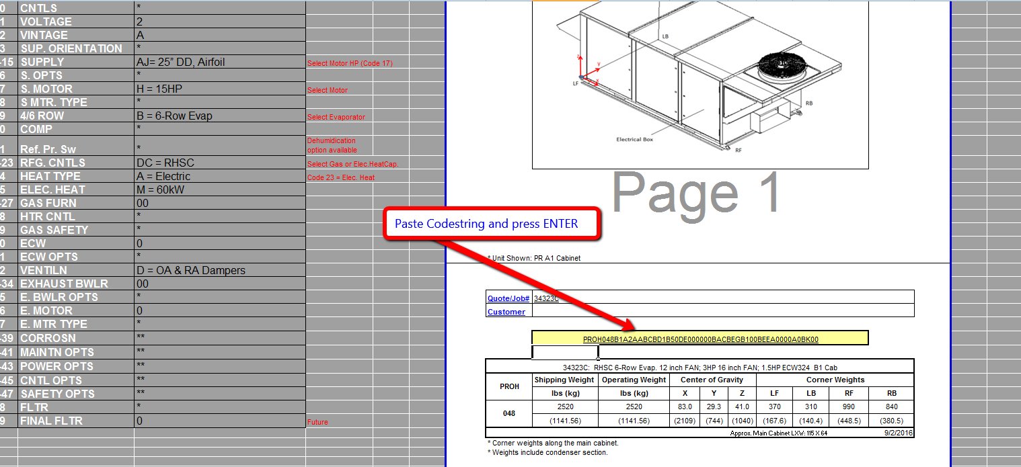
1. Get codestring from YOUR ACE PROJECT Schedule OR PRICING SCREEN

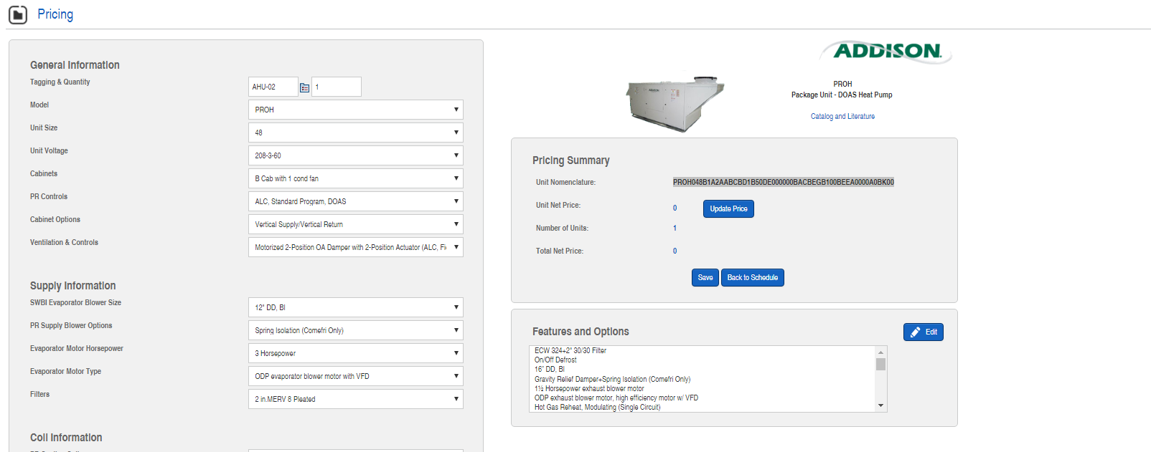

2. Double click the yellow cell.

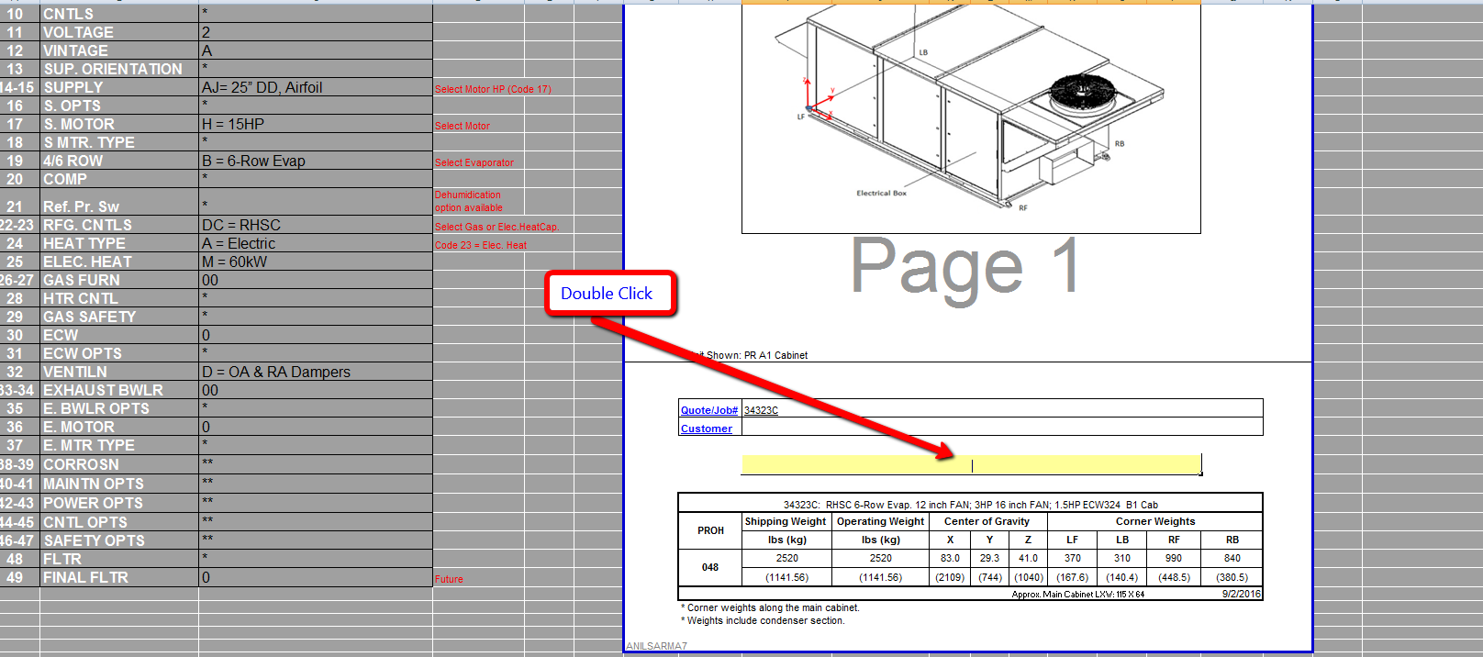

3. Paste codestring and press ENTER

